Sheet1
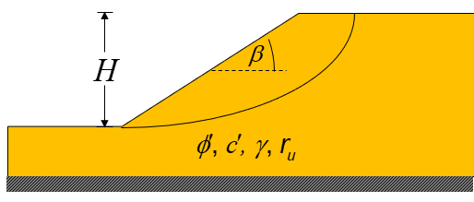
b (°) | H (m) | γ (kN/m3) | c' (kPa) | ϕ' (°) | ru | A | B | FS
18.4 | 10 | 10.19 | 5 | 20.0 | 0.0 | 8.8947 | 0.7653 | 1.791 | Ex.1 | Submerged
18.4 | 10 | 20 | 5 | 20.0 | 0.0 | 8.8947 | 0.7653 | 1.509 | EX.2 | Dry
Using curve fitted formulas from Huang, W. (2023)
"Stability of homogeneous slopes: From chart to closed-form solution
and from deterministic to probabilistic analysis."
Int J Geomech, 23 (9), 04023136.
https://doi.org/10.1061/IJGNAI.GMENG-8258

